Summary and Chart
Statistics | Charts | Trades | Formula | Settings | Symbols | Monte Carlo
 |  |  |  | 1. Portfolio Equity
Statistics
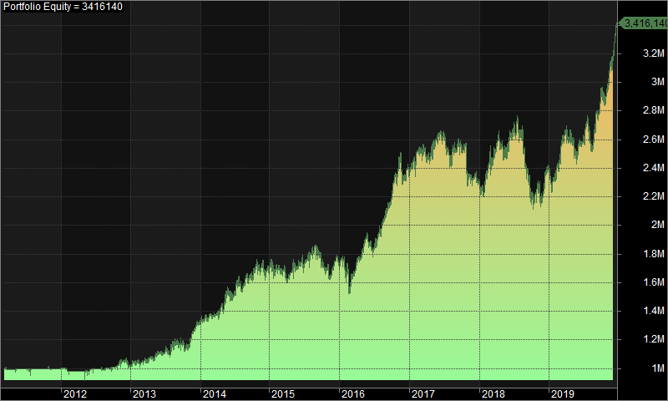
 | All trades | Long trades | Short trades
Initial capital | 1000000 | 1000000 | 1000000
Ending capital | 3416140.13 | 1000000 | 3416140.13
Net Profit | 2416140.13 | 0 | 2416140.13
Net Profit % | 241.61% | 0.00% | 241.61%
Exposure % | 3.34% | 0.00% | 3.34%
Net Risk Adjusted Return % | 7241.20% | N/A | 7241.20%
Annual Return % | 14.98% | 0.00% | 14.98%
Risk Adjusted Return % | 448.86% | N/A | 448.86%
Total transaction costs | 1373391.57 | 0 | 1373391.57

All trades | 1148 | 0 (0.00 %) | 1148 (100.00 %)
Avg. Profit/Loss | 2104.65 | N/A | 2104.65
Avg. Profit/Loss % | 4.37% | N/A | 4.37%
Avg. Bars Held | 115 | N/A | 115

Winners | 553 (48.17 %) | 0 (0.00 %) | 553 (48.17 %)
Total Profit | 12059023.7 | 0 | 12059023.7
Avg. Profit | 21806.55 | N/A | 21806.55
Avg. Profit % | 39.96% | N/A | 39.96%
Avg. Bars Held | 173.13 | N/A | 173.13
Max. Consecutive | 7 | 0 | 7
Largest win | 122309.82 | 0 | 122309.82
# bars in largest win | 583 | 0 | 583
 |  |  |  | 2. Underwater Equity

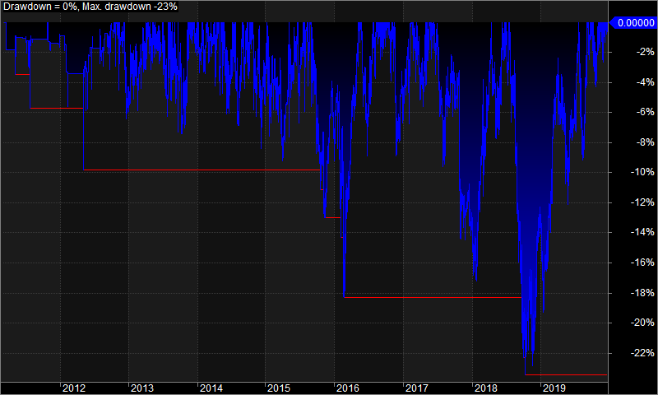
Losers | 595 (51.83 %) | 0 (0.00 %) | 595 (51.83 %)
Total Loss | -9642883.57 | 0 | -9642883.57
Avg. Loss | -16206.53 | N/A | -16206.53
Avg. Loss % | -28.71% | N/A | -28.71%
Avg. Bars Held | 60.97 | N/A | 60.97
Max. Consecutive | 8 | 0 | 8
Largest loss | -119921.32 | 0 | -119921.32
# bars in largest loss | 64 | 0 | 64

Max. trade drawdown | -134087.26 | 0 | -134087.26
Max. trade % drawdown | -99.73 | 0 | -99.73
Max. system drawdown | -649089.38 | 0 | -649089.38
Max. system % drawdown | -23.47% | 0.00% | -23.47%
Recovery Factor | 3.72 | N/A | 3.72
CAR/MaxDD | 0.64 | N/A | 0.64
RAR/MaxDD | 19.12 | N/A | 19.12
Profit Factor | 1.25 | N/A | 1.25
Payoff Ratio | 1.35 | N/A | 1.35
Standard Error | 174447.73 | 0 | 174447.73
Risk-Reward Ratio | 1.38 | N/A | 1.38
Ulcer Index | 6.19 | 0 | 6.19
Ulcer Performance Index | 1.55 | N/A | 1.55
Sharpe Ratio of trades | 1.23 | 0 | 1.23
K-Ratio | 0.01 | N/A | 0.01

 |  |  |  | 3. Profit Table

 |  |  |  | Year | Jan | Feb | Mar | Apr | May | Jun | Jul | Aug | Sep | Oct | Nov | Dec | Yr%
 |  |  |  | 2011 | N/A | N/A | -1.00% | 0.00% | 0.80% | 0.00% | -0.10% | 0.00% | 0.00% | 0.30% | -0.10% | 0.50% | 0.40%
 |  |  |  | 2012 | -0.60% | -2.00% | 0.00% | 0.00% | 1.30% | 0.50% | 0.90% | 0.10% | 0.60% | 1.60% | 2.70% | -2.90% | 2.20%
 |  |  |  | 2013 | 1.70% | 0.30% | 0.40% | 0.80% | 4.90% | 0.70% | 2.80% | 2.40% | 0.50% | -3.90% | 12.10% | 3.60% | 28.80%
 |  |  |  | 2014 | 3.50% | 0.60% | 1.40% | 1.60% | 9.70% | -1.40% | 4.20% | 2.20% | 0.70% | 3.80% | 1.60% | -2.50% | 27.90%
 |  |  |  | 2015 | -0.30% | -1.20% | -2.00% | 2.40% | 2.70% | -2.00% | 6.60% | -1.50% | -1.90% | -0.80% | -0.50% | 1.30% | 2.40%
 |  |  |  | 2016 | 0.40% | -8.00% | 6.50% | 4.60% | 7.60% | -5.00% | 8.10% | 6.60% | 3.30% | 6.10% | 1.30% | 0.80% | 35.60%
 |  |  |  | 2017 | 5.50% | 1.60% | -2.00% | 3.00% | 1.90% | 1.70% | -7.60% | 3.60% | 0.30% | -6.10% | -1.90% | -0.20% | -1.00%
 |  |  |  | 2018 | -1.10% | 3.80% | 6.10% | 1.60% | 0.00% | 5.40% | -2.20% | -11.10% | -6.30% | 4.10% | -3.70% | 9.20% | 4.10%
 |  |  |  | 2019 | -3.00% | 4.80% | 8.00% | -0.60% | -4.70% | 3.70% | 1.00% | 1.10% | 10.50% | -1.10% | 7.30% | 9.60% | 41.40%
 |  |  |  | Avg | 0.80% | 0.00% | 1.90% | 1.50% | 2.70% | 0.40% | 1.50% | 0.40% | 0.90% | 0.40% | 2.10% | 2.20%

